SwarmiesGiAnts
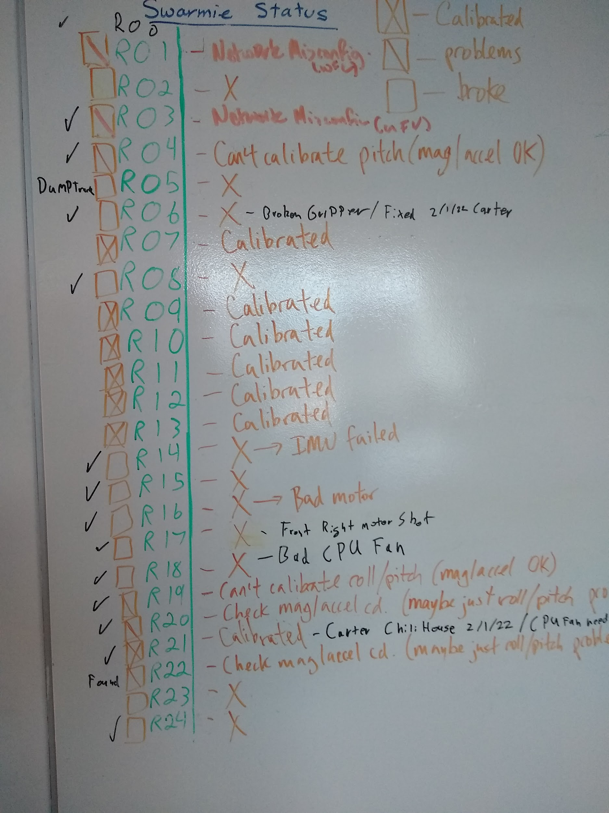
#/Name | Location | Used | Who | Special usecase | Hardware | Software | Battery | IMU | Notes | Old Notes
prototype | Storage |  |  |  |  |  | NA
R01 | Lab |  | Carter |  | working | working 1/27/22 | 7/3/23 | Passed | fixed networking issue: hosts file was not formatted correctly |  | updated ros key, update upgrade was missing some PreinstalledCompetitionPackages, catkin build -Carter
R02 | Lab |  | Carter |  | working | working 1/25/22 | 7/3/23 | Passed | updated ros key, update upgrade was missing some PreinstalledCompetitionPackages -Carter
R03 | Lab |  | Carter |  | working | working 1/25/22 | 7/3/23 | Passed | updated ros key, update upgrade, replaced 3 of the uprite supports -Carter
R04 | Lab |  | Carter |  | working, tighten compute | Python3.7 testing tf2 | 7/3/23 | Passed | robot drives slowly, make sure the wheels are working correctly |  | software: warnings when running about using too much memory; and/or tensforflow warnings when launching rosnodes
R05 | Lab |  | Carter |  | working, IMU? | working; with warnings | 12/23/22 | issues 10/7/22 | robot drives slowly, just like R4
R06 | Lab |  | Carter | Noetic Testing | working | working 1/27/22 | Done 10/7/22 | Passed | (sounds like a loose screw is inside the chasis -Antonio) //// IMU was shorted causing issues, replaced SwarmieControlBoard & Arduino -Carter
R07 | Lab |  | Carter | autodeploy | working, replace finger servo |  | 6/25/23 | Passed | gripper twitches | updated ros key, update upgrade, installed PreinstalledCompetitionPackages, catkin build -Carter |  | I see the GUI publishing bad gripper angles but also sus arduino or SwarmieControlBoard, unit is fully operable -Carter
R08/ross | Lab |  | Carter | GiANTs Arm Humble Testing | working | working 1/27/22 | 12/23/22 | Passed | updated ros key, update upgrade was missing some PreinstalledCompetitionPackages, catkin build, manually uploaded arduino code -Carter
R09 | 3310A |  | Carter | Noetic Testing | Good | service call fail (remageing 20.04) | 3/18/22 | Good | formerly R02
R10 | Storage |  | Carter | autodeploy | Good 3/18/22 | Good 3/18/22 | 6/25/23 | Good 3/18/22 | formerly R03 | Network was setup by Will for a mesh of Swarmies
R11 | Storage |  | Antonio |  | Good | Good | 7/3/23 | Good | formerly R04 | *** Gold star favorite robot child, also, Check Calibrate pitch ()
R12 | Storage |  | Carter | autodeploy | Good 4/27/22 | Reimaged/SwarmieOS | 6/25/23 | None | formerly R06, repaced bad motor
R13 | Lab |  | Antonio | Servo Feedback | Good | Good, Autostart | 3/18/22 | Good | inital test for GiAnts
R14 | Storage |  | Carter | autodeploy | Good 3/18/22 | Good 3/18/22 | 6/25/23 | Failed, recal me |  | X -> IMU failed
R15 | Lab |  | Carter |  | Good 4/5/22 | Reimaged/SwarmieOS | 7/3/23 | Good 4/5/22 |  | X
R17 | Lab |  | Carter |  | Good 4/27/22 | Reimaged/SwarmieOS | 7/3/23 | Good 4/5/22 | repaced bad motor, UEFI enabled
R19 | Storage |  | Carter |  | Good, CPU fan | SwarmieOS | 12/23/22 | Good | noisy CPU fan | Can't Calibrate roll/pitch
R20 | Storage |  | Carter |  | Good, CPU fan | SwarmieOS | 12/23/22 | Good |  | Check mag/accell cd. (maybe just roll/pitch problem)
R21/boothby | Lab |  | Carter | Water Tank | Good | Good | 2/10/22 | Good Lab 3/17/22 | For ChiliHouse | Calibrated
R23 | Lab |  | Carter | Tray | Good 4/12/22 | Reimaged/SwarmieOS/Traybranch | 12/23/22 | usable but not good | formerly R05,dump tray

